Introduction
The DMU Everest Challenge 18th Feb - 17th Mar

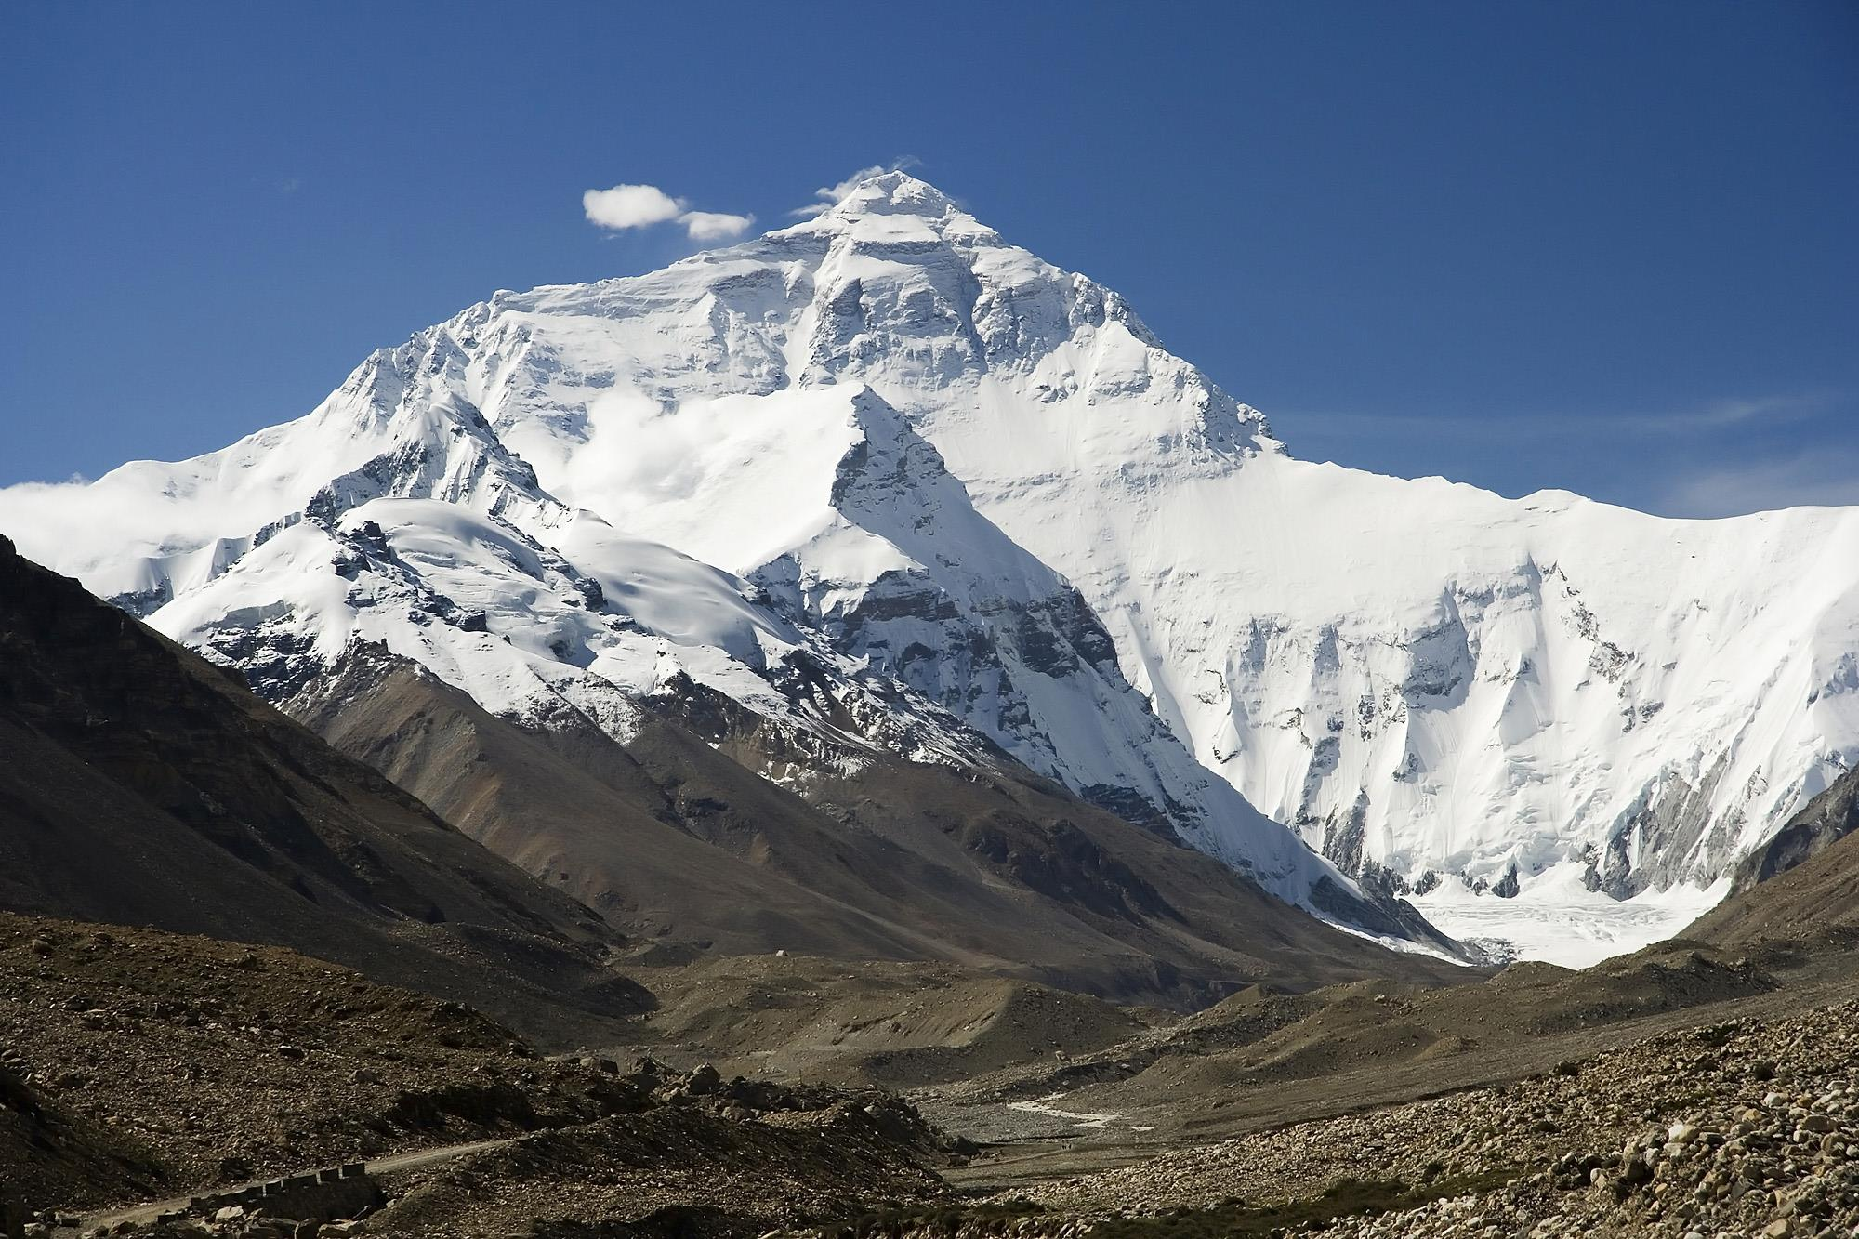
 |  | Welcome to the Everest Challenge

 |  | The aim of the Everest Challenge is to try and scale Mt Everest
 |  | by climbing stairs at DMU.

 |  | By counting the number of steps you climb you can see how far
 |  | up the highest mountain you can get.

 |  | The aim is to have some fun, get some exercise and save energy
 |  | from not using the lifts

 |  | In this workbook you'll find the number of steps for each flight
 |  | of stairs in DMU buildings and a sheet to record the number of
 |  | flights of steps you climb each day during the challenge.

 |  | At the end of the four weeks we'll add up the total and let you
 |  | know how far we've all climbed.

 |  | You can take part in the Everest Challenge as an individual or as
 |  | part of a team. The aim is to get some exercise, have some fun
 |  | and save energy.

 | Luca Galuzzi - www.galuzzi.com
How it works
Simply remember the number of times you go up a flight of stairs in a particular building during the day
Record each flight of stairs on the 'recording sheet' in this workbook
The workbook will automatically calculate the total the number of steps climbed for each day and for each building and display this in the 'Results' sheet
At the end of the four weeks compare your result with the number of steps needed in the 'How many steps you'll need' tab to see which building/monument or mountain you've climbed
Any queries or questions should be sent to: Karl Letten, Environmental & Sustainability Officer kletten@dmu.ac.uk or sustainability@dmu.ac.uk

